Dashboard
Company Seller Report
2019 |  | Kansas
 |  | 2020
17.119.043
9.696.998
MERCEDES | 72,652
BMW | 286,008
FORD | 441,620
MAZDA | 57,292
CHEVROLET | 933,947
MERCEDES | 72,652 | 55,216
BMW | 286,008 | 220,226
FORD | 441,620 | 211,978
MAZDA | 57,292 | 40,677
CHEVROLET | 933,947 | 1,055,360
21.034.719
12.920.499
20.032.255
MERCEDES | 17,119,043
BMW | 9,696,998
FORD | 21,034,719
MAZDA | 12,920,499
CHEVROLET | 20,032,255
Bölge raporu
Satışçı raporu

toplam satış

80.803.514

toplam hedef

102.510.336

 | 2018 | 2019 | 2020 | Toplam
MERCEDES | 11,651,495 | 17,119,043 | 30,171,771 | 58,942,309
BMW | 7,830,347 | 9,696,998 | 17,788,458 | 35,315,803
FORD | 16,905,079 | 21,034,719 | 38,563,077 | 76,502,874
MAZDA | 10,361,173 | 12,920,499 | 22,939,296 | 46,220,969
CHEVROLET | 15,846,811 | 20,032,255 | 35,219,513 | 71,098,579
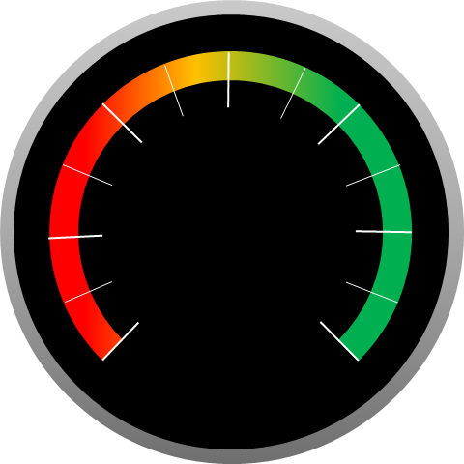

 | 79%
 | 79%

79%

